GeneratePrint

Select Client Code: | 047GUA-PC04527

ELSIE MARTIN
Name: | ELSIE MARTIN | Branch Manager: | EDGARDO ATIENZA
Client ID Code: | 047GUA-PC04527 | Partner-Client: | ELSIE MARTIN
Contact: | 09392198844 | TIN: | -
047GUA-PC04527
Address: | SITIO SAMPALOC SAN FRANCISCO LUBAO PAMPANGA | BIRTH DATE: | 1972-01-20
09392198844
Branch: | GUAGUA BRANCH | Emergency: | Mama ko 3
SITIO SAMPALOC SAN FRANCISCO LUBAO PAMPANGA
 |  | Contact Number: | 193-ewan3
GUAGUA BRANCH
 | 0
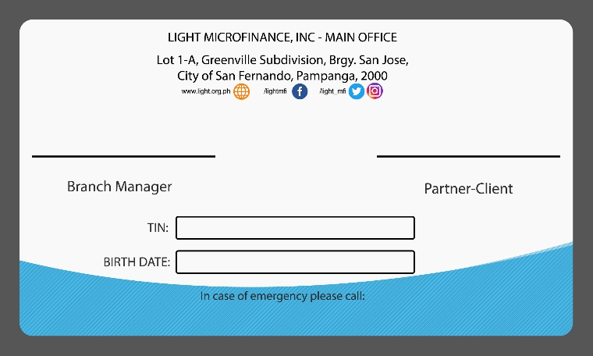

EDGARDO ATIENZA
ELSIE MARTIN
Photo:
-
1/20/72

Mama ko 3
193-ewan3

